Q3
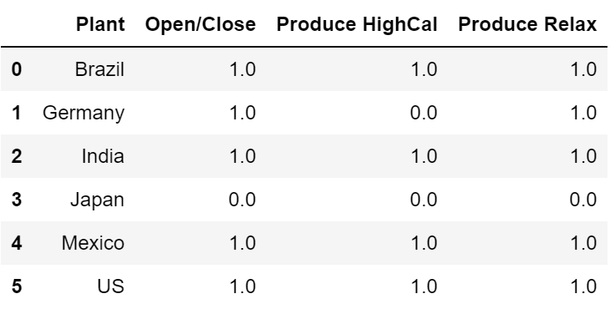
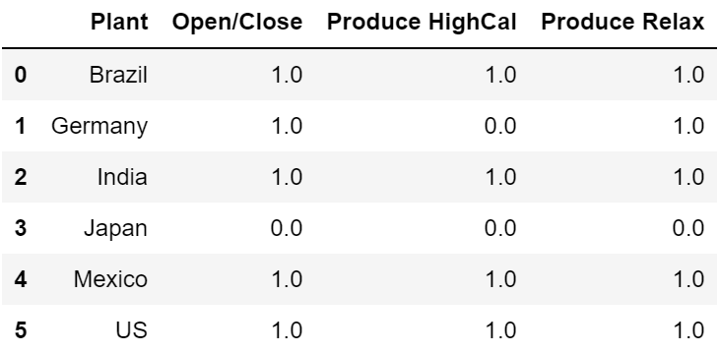
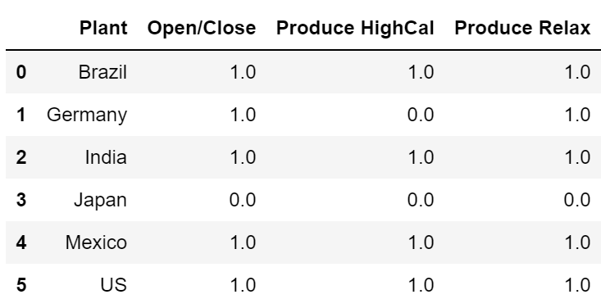
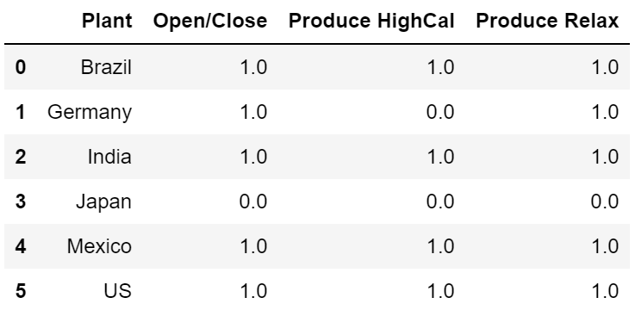
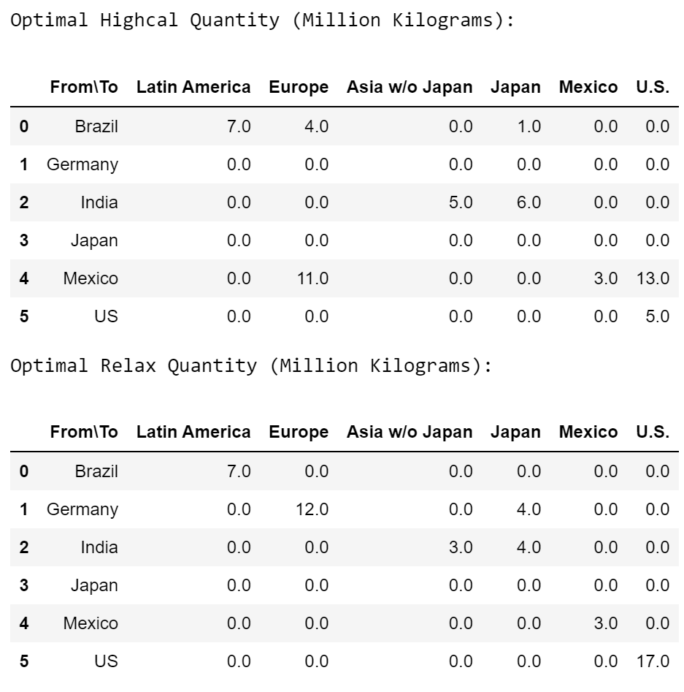
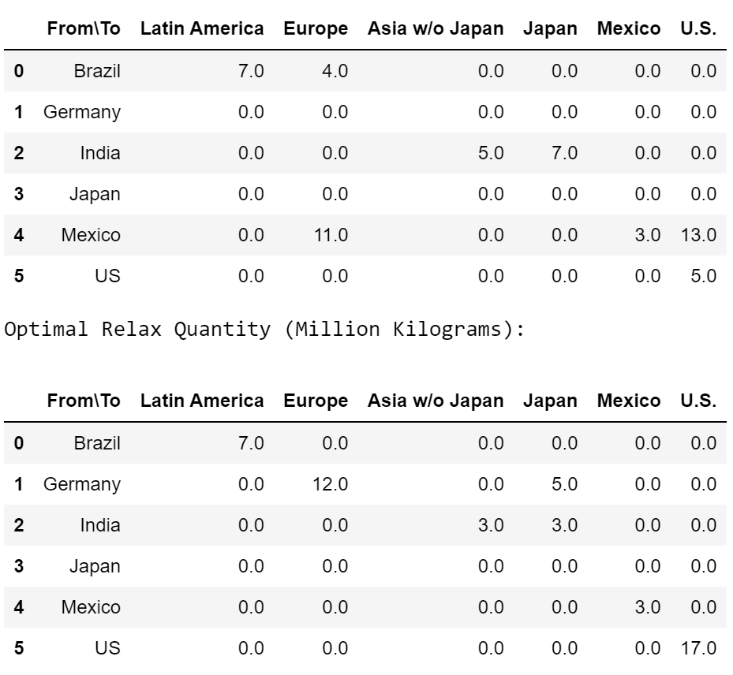
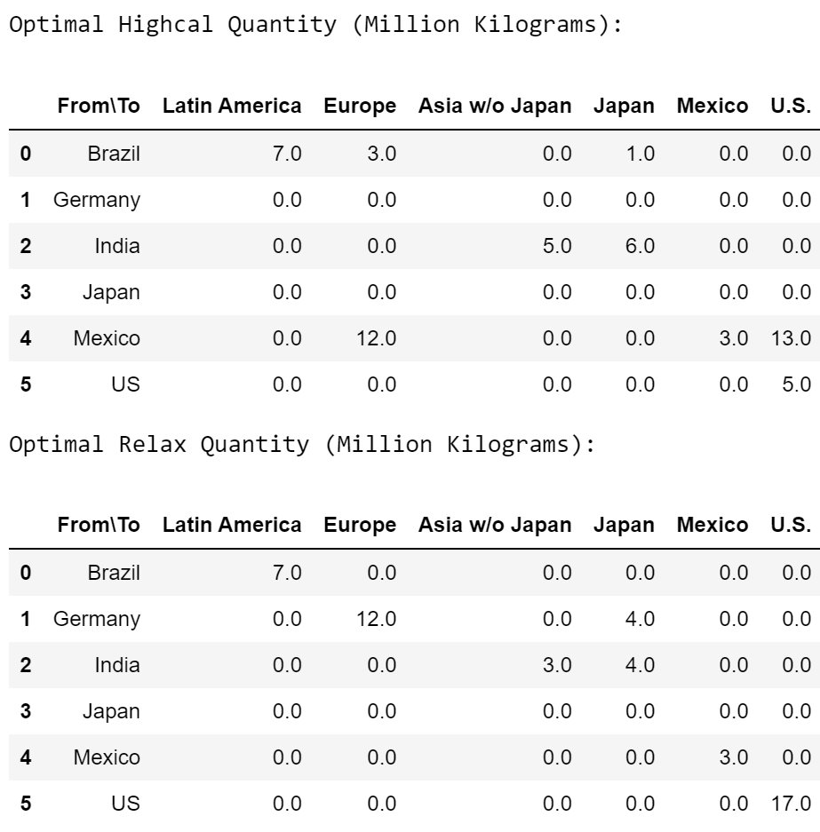
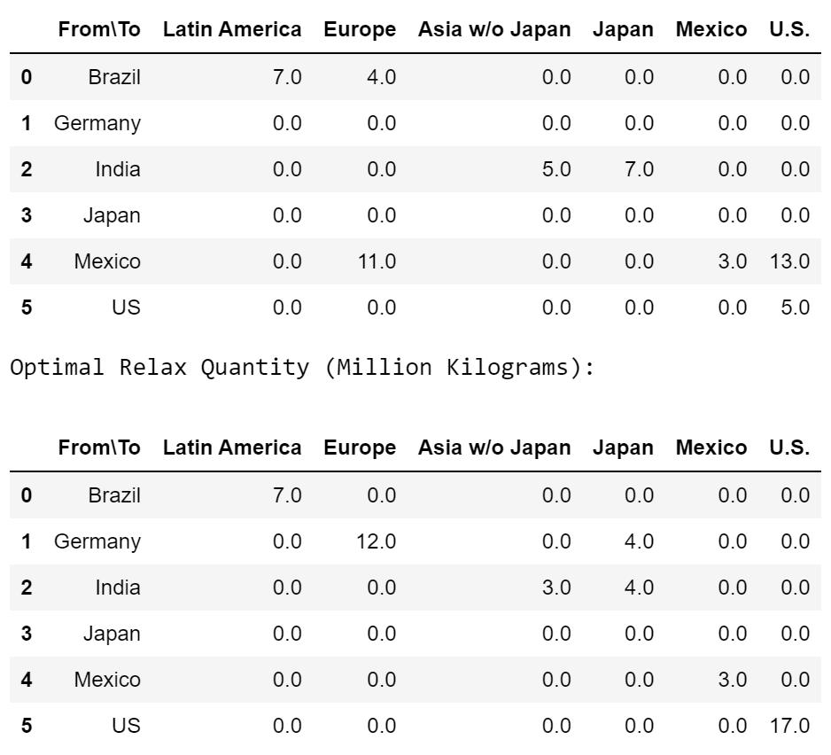
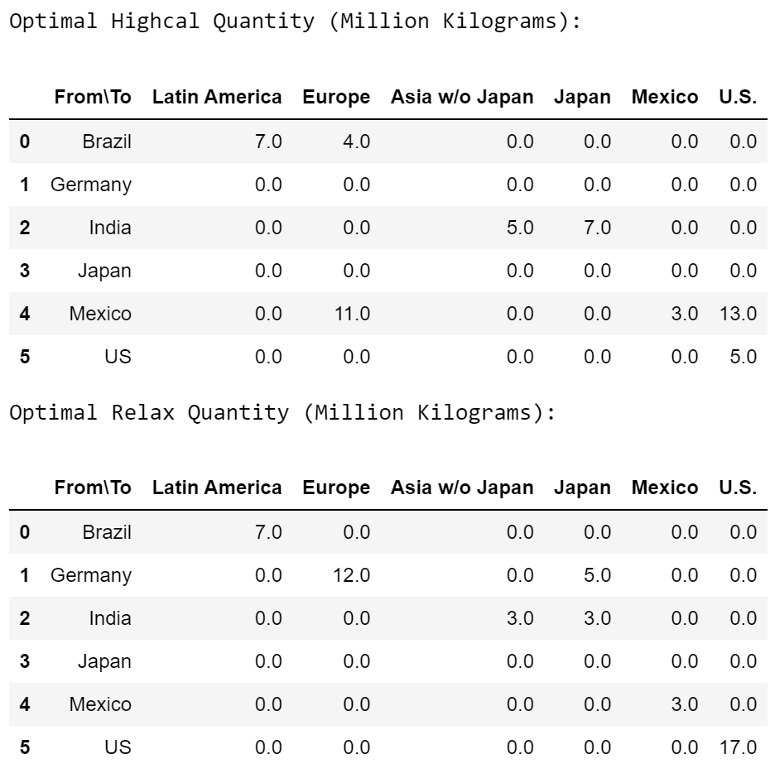
Country | Fixed Cost | HVC | RVC | Total Variable Cost | Total Cost | Country | Fixed Cost | HVC | RVC | Total Variable Cost | Total Cost
Brazil | 204.74605851 | 495.563 | 580.968 | 1076.531 | 1281.2770585 | Brazil | 204.74605851 | 495.563 | 580.968 | 1076.531 | 1281.2770585
Germany | 204.42350351 | 494.715 | 582.664 | 1077.379 | 1281.8025035 | Germany | 204.42350351 | 494.715 | 582.664 | 1077.379 | 1281.8025035
India | 205.08345527 | 494.715 | 580.968 | 1075.683 | 1280.7664553 | India | 205.08345527 | 494.715 | 580.968 | 1075.683 | 1280.7664553
Japan | 201.99720414 | 494.715 | 582.664 | 1077.379 | 1279.3762041 | Japan | 201.99720414 | 494.715 | 582.664 | 1077.379 | 1279.3762041
Mexico | 204.54452438 | 495.3055 | 580.968 | 1076.2735 | 1280.8180244 | Mexico | 204.54452438 | 495.3055 | 580.968 | 1076.2735 | 1280.8180244
US | 204.38123717 | 494.9015 | 580.968 | 1075.8695 | 1280.2507372 | US | 204.38123717 | 494.9015 | 580.968 | 1075.8695 | 1280.2507372

 |  |  |  |  |  | Original Model | 201.38123717 | 494.715 | 582.664 | 1077.379 | 1278.7602372

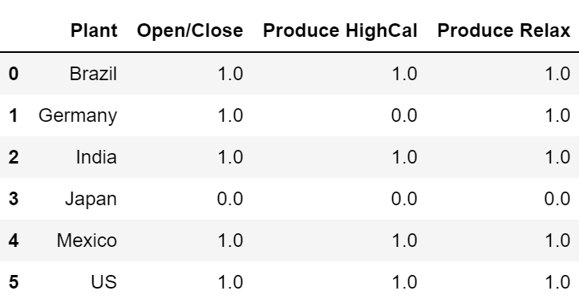
 |  |  |  |  |  |  |  |  |  |  |  |  |  | Mexico
Brazil |  |  |  |  |  |  | Germany |  |  |  |  | India | Japan

